F.6.10_GUI
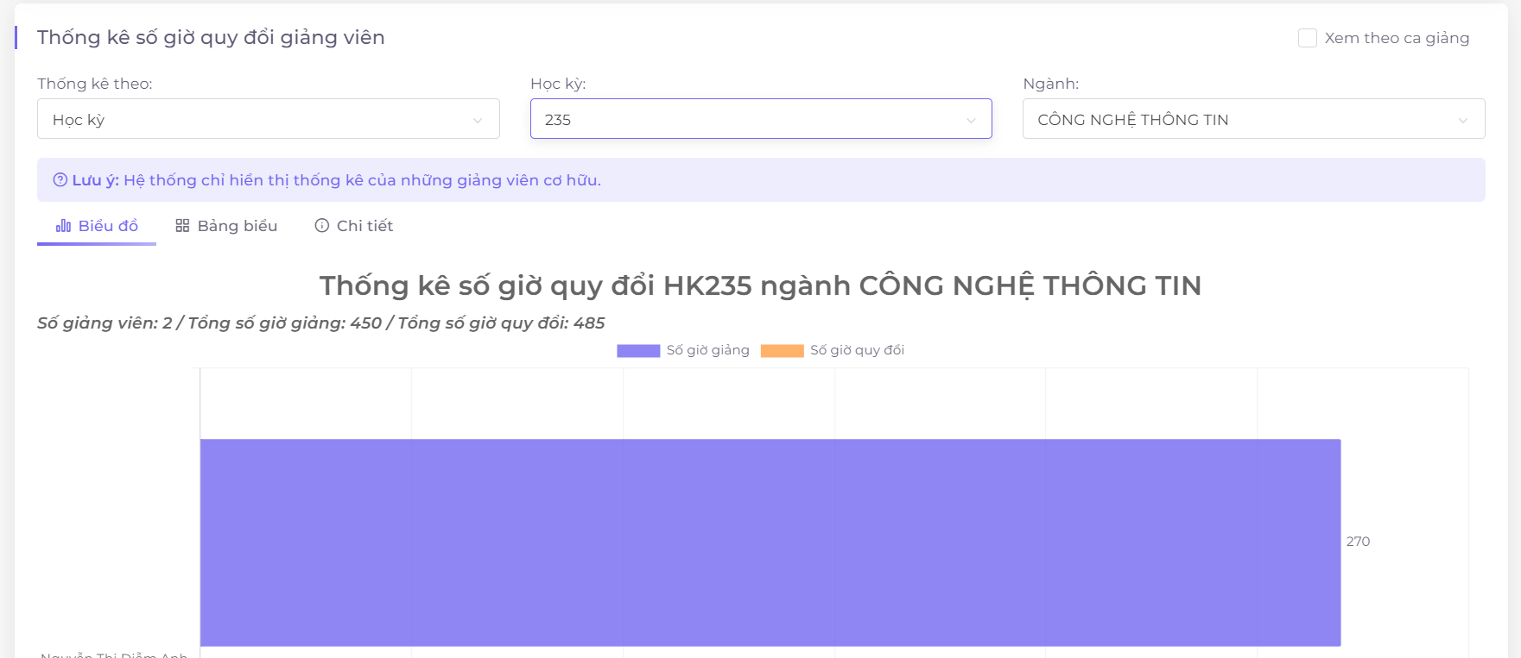
Backlog ID | Backlog Item | User Story Description | Acceptance Criteria
PB_09 | Thêm học kỳ mới | Là BCN Khoa, tôi cần thêm học kỳ mới để có thể quản lý mọi thông tin liên quan đến học kỳ như thời khóa biểu, thống kê, thù lao giảng dạy. | AC01 | Faculty board can view statistics about the total hours of lecturer in year based on remuneration coefficient.
 |  |  | AC02 | The converted hours statistics data must be exactly as the remuneration formula: number of class hours * large class coefficient * time coefficient * course coefficient . In there: - Number of class hours: Number of teaching hours of that class. - Large class coefficient: This coefficient increases based on the size of the student class, the larger the class, the higher this coefficient is, the calculation method: Theoretical class: + Class student number <= 50: 1.0 + Class student number > 50: 1 + (Class student number - 50) * 0.0025 Practical class: + Class student number <= 30: 1.0 + Class student number > 30: 1 + (Class student number - 30) * 0.0025 - Time coefficient: This coefficient will be 1.2 if the teacher teaches that class in shift 5 (period 10-13) or in Sunday. For the rest of the cases, the default coefficient will be 1.0 . - Subject coefficient: The subject coefficient is calculated by multiplying the language coefficient by the class type coefficient.

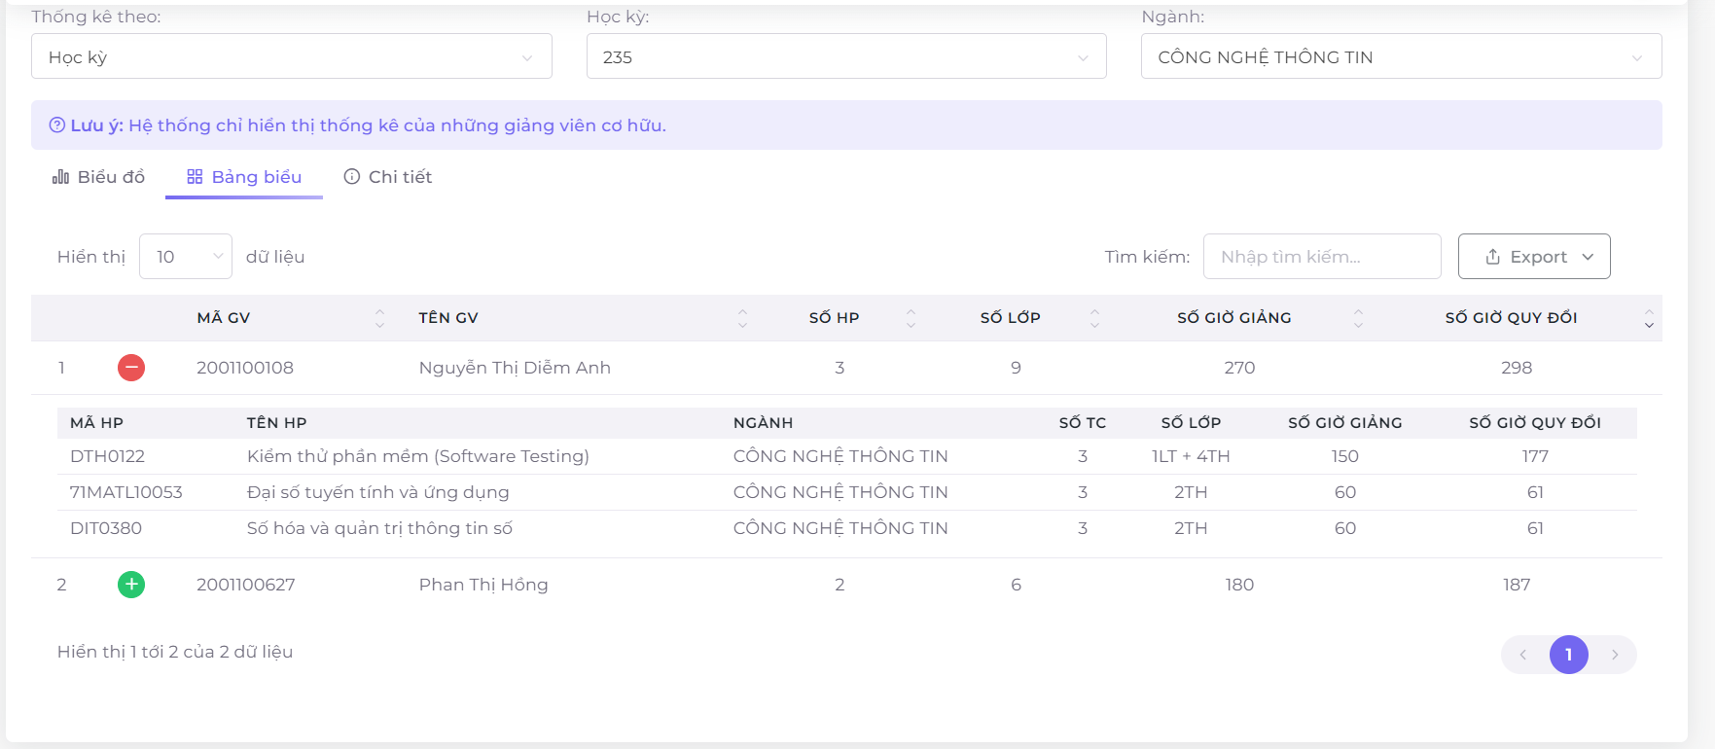
 |  |  | AC03 | The formula for this converted number of hours is calculated for each separate class that the teacher teaches in that term, if the lecturer teaches many classes, the converted hours of each class will be added up to get the total number of hours in that term.
 |  |  | AC04 | System will automatically changes to view lesson statistics if user select a tick box ""View based on remuneration coefficient"".
 |  |  | AC05 | System will display a chart that indicate the number of hours that each lecturer taught in that term.
 |  |  | AC06 | Faculty board can view data in table view.
 |  |  | AC07 | Faculty board can export statistics data.
 |  |  | AC08 | System will display total of lecturer in statistics, and total of hours in that term.
 |  |  | AC09 | System will display error message if Faculty board chooses a year and major which hasn't had data yet.
 |  |  | AC10 | Chart must display data labels for lecturer hours.
 |  |  | AC11 | Faculty board can search data in table.
 |  |  | AC12 | Statistical data must be accurate, the total number of hours of each lecturer must be equal to the number of hours of each class taught by the lecturer in that term.
 |  |  | AC13 | Legend filter will change total lecturers and total hours of chart labels.
 |  |  | AC14 | System will only display faculty member in the statistics.
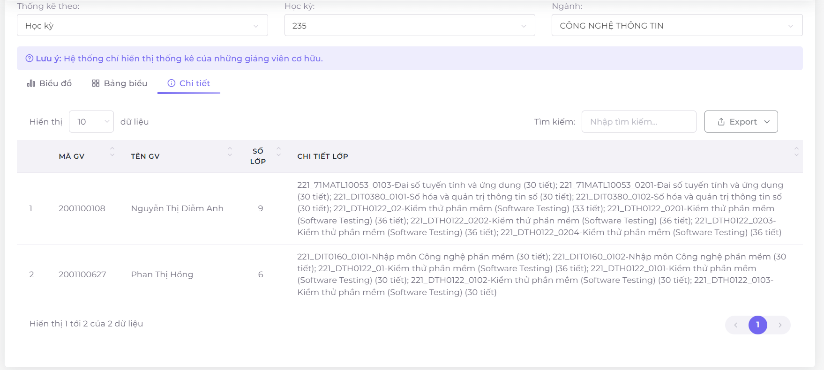
 |  |  | AC15 | Converted hours must be equal or larger than original hours of lecturer.
 |  |  | AC16 | Users can view the details of the classes taught by the lecturer

